IntroTab


State Water Resources Control Board

Cost-Benefit Analysis Model: Water Loss Performance Standards
Version 2.0: April 13, 2020

The primary objective of this model is to calculate water loss performance standards for urban retail water suppliers in California pursuant to Water Code 10608.34. This spreadsheet was developed to conduct a cost-benefit analysis for any additional actions anticipated to be taken by urban retail water suppliers to reduce water loss from leakage to an economically feasible levels. The model uses data from water loss audit reports submitted annually in California from 2016 to 2019, industry and literature based estimates for costs and benefits associated with water loss control actions that are anticipated to be accrued. The model calculates water loss performance standards based on economically feasible water loss reductions by 2028 from active leak detection and repair only due to availability of data.

Spreadsheet tabs
Inputs: All inputs to the model are summarized here. Any changes to inputs can be made in this tab. Inputs are color-coded to show which cells are from water loss audits, user-inputs, calculated,or determined by the State Water Board.
Calculations: This tab uses the inputs from the input tab to calculate the system-specific background, reported and unreported leakage, an economic intervention frequency for leakage surveying, and the associated cost-benefit analysis.
Output: This tab summarizes the economic level of leakage for each year beginning 2022, with a view to determine the economically feasible level of leakage for 2028, and the Benefit-Cost ratio across the time horizon, including the compliance period.
Equations: This tab provides all equations with unit conversions in detail.
CollectedData_References: This tab summarizes all data that the Water Board used to develop the model and the respective references.

For questions, please contact:
Kartiki Naik at kartiki.naik@waterboards.ca.gov or 1-916-319-9468
Max Gomberg at max.gomberg@waterboards.ca.gov

Output
Water Loss Volumetric Performance Standard

 |  | Current leakage level (gallons per connection per day) | Current leakage level (gallons per mile per day) |  | Average annual leakage reduced with active leak detection and repair (acre-feet per year) | Water loss volumetric performance standard - 2028 (gallons per connection per day) | Water loss volumetric performance standard - 2028 (gallons per mile per day)
 |  | 32 | N/A |  | 2,336 | 24 | N/A

If there is no net benefit for additional interventions towards active leak detection and repair by the supplier, the volumetric standard remains the same as the current leakage level.
 | Years | Estimated real loss for distribution system |  |  | Benefit/Cost Ratio over 30 years
 |  | (acre-feet per year) | (gallons per connection per day) | (gallons per mile per day) | 5.4
 | 2022 | 10171 | 32 | N/A
 | 2028 | 7728 | 24 | N/A | Benefit/Cost Ratio over 20 years
 |  |  |  |  | 4.7

 |  |  |  |  | Benefit/Cost Ratio over 10 years
 |  |  |  |  | 3.7

 |  |  |  |  | Benefit/Cost Ratio over 5 years
 |  |  |  |  | 2.8

Equations
$$\left(0.2×Total length of mains \left(miles\right)+0.008×Number of service connections\right)×{\left(\frac{Average operational pressure}{70}\right)}^{1.5}$$
$$×Infrastructure Condition Factor$$
$$×\frac{1000 gallons}{325851 acrefeet}×\frac{365 days}{year}$$
Equations in the model
Term | Formula | References as applicable
Tab: Calculation
Total background leakage (acre-feet per year)
$$\frac{50 gallons }{burst∙minute}×\frac{1 acrefeet}{325,851 gallons}×\frac{0.2 bursts}{mile∙year}×Total length of mains (miles)×\frac{60 minutes}{hour}×\frac{24 hours}{day}×\frac{3 days}{year}$$
Reported leakage (acre-feet per year) |  | Equation (7-5), AWWA M36 Manual, 2016
$$Three year average leakage −total background leakage−reported leakage$$
Unreported leakage (acre-feet per year) |  | Table 3-22, AWWA M36 Manual, 2016
$$\frac{Unreported leakage component}{(Background leakage component+Reported leakage component+Unreported leakage component)}$$
Unreported leakage fraction for the system
$$\frac{Average unreported leakage for supplier (acrefeet per year)}{Average total flow rate for unreported leaks \left(acrefeet per year\right)×Total length of mains (miles)}$$
Unreported leaks found per mile per year
$$\frac{Total length of mains (miles)}{Maximum average leak detection survey frequency (miles per month)}$$
Time taken to survey full distribution system (months)
$$\left(Number of parts of system −current incremental time step \right)×Leakage per part of system×Time step$$
Water loss due to backlog of leakage in unsurveyed parts in each time step (acre-feet) |  | See row 32 for calculation
$$\left(Number of parts in system−current incremental time step+1\right)×annual average rise in leakage per part of system$$
$$×\left(current incremental time step−\frac{1}{2}\right)×{\left(time step\right)}^{2}$$
Water loss due to natural rise in leakage in never surveyed parts in each time step (acre-feet)
Before entire system is surveyed once:
$$Annual average natural rise in leakage per part of system×{time step}^{2}×{\frac{{\left(current incremental time step−1\right)}^{2}}{2} }^{}$$
After entire system is surveyed once:
$$Annual average natural rise in leakage per part of system×{time step}^{2}×{\frac{{number of parts in system}^{2}}{2} }^{}$$
Water loss due to natural rise in leakage in previously surveyed parts in each time step (acre-feet)
$$Water loss due to backlog of leakage in unsurveyed parts in each time step$$
$$+ Water loss due to natural rise in leakage in never surveyed parts in each time step$$
$$+ Water loss due to natural rise in leakage in previously surveyed parts in each time step$$
The water loss occuring in any year is calculated by adding up the water loss occuring in each time step in that year.
Total water loss occuring in time step with intervention (acre-feet)
$$Number of parts in system×time step×\left(three year average leakage per part of system+Annual average rise in leakage per part of system×\left(current incremental time step− \frac{1}{2}\right)×timestep\right)$$
Water loss occuring without intervention in each time step (acre-feet)
Water saved due to water loss control in each time step (acre-feet) | Total water loss occuring in time step with intervention - Water loss occuring without intervention in each time step
Before entire system is surveyed once:
$$\frac{Unreported leakage for supplier}{Number of parts of the system surveyed in each cycle}$$
$$+current incremental time step×time step×annual average rise in leakage per part of system$$
After entire system is surveyed once:
$$Annual average rise in leakage in each part×time step×Number of parts of system surveyed in each cycle$$
Intitial leakage level for part surveyed during time step (acre-feet)
$$\frac{Intitial leakage level for part surveyed during time step}{Average flow rate for reported leaks per leak}$$
Leaks found per part per system
$$Leaks found per part of system×\frac{Repair costs per mile}{Efficiency of leak detection equipment}$$
Incremental cost associated with leak repair in each time step ($)
$$\frac{Cost of leak repair for each part}{{\left(1+discount rate×time step\right)}^{\left(time step×current incremental time step\right)}}$$
Cost associated with leak repair in each time step ($)
Cost associated with leak detection and repair in each time step ($) | Cost associated with leak detection per part + Cost associated with leak repair in each time step
$$\frac{Avoided cost of alternative supplies}{\left(1+Average annual rise in price of water×current incremental time step×24 months from 2020×time step\right)}$$
Marginal cost of water including rising cost and avoided cost of alternative supplies (at the beginning of 2022) ($ per acre-feet)
$$\frac{Avoided cost of alternative supplies}{\left(1+Average annual rise in price of water×\left(current incremental time step−1\right)×time step\right)}$$
Marginal cost of water including rising cost and avoided cost of alternative supplies (for each incremental month after 2022 begins) ($ per acre-feet)
$$Water saved due to water loss control in each time step×Marginal cost of water in each time step$$
Value of water loss reduced in each time step ($)
$$Value of cost associated with leak detection and repair in each time step −Value of water loss reduced in each time step$$
Net benefit for each time step ($)
$$\frac{Net benefit}{\left(1+Average annual rise in price of water×\left(current incremental time step−1\right)×time step\right)}$$
Net Present Value of net benefit corresponding to each time step ($)

$$\frac{Total present value of value of water}{Total present value of total cost of leak detection and repair}$$
Tab: Output
Benefit/Cost Ratio

Calculation of water lost at every time step with intervention
Variables used:
N = Number of parts into which the distribution system is divided (based on rate of surveying)
ΔT = time between surveys
L_{o} = Initial total unreported leakage
l_{o} = Initial unreported leakage per part = $\frac{Lo}{N}$
R = Natural rise in leakage for the entire system
r = Rate of natural rise of leakage per part = $\frac{R}{N}$
The general method used is as follows:
It is assumed, for simplicity, that at any point in time, a part of the system is being surveyed. The rate of surveying is an average rate for the entire system.
The model determines the economically achievable volumetric water loss by calculating how much water loss occurs at that time. Thus, the 2027 standard is calculated by calculating the water loss occurring at the time step coinciding with the beginning of 2027.
The model divides the water lost during regular leak detection and surveying into three elements for ease of calculation:
Water lost due to backlog of unreported leakage
Water lost due to natural rise in leakage for the never surveyed parts of the system (for the first survey)
Water lost due to natural rise in leakage for rest of the parts of the system not being surveyed in current time step
An equation is developed to represent water loss occurring in one part, after which the water loss is summed up to represent the entire system. ‘i’ represents the current time step, so that we can develop a general formula for each of these categories. The spreadsheet uses these formulae in columns 2 through 4 (B through D)
Water lost due to backlog of unreported leakage:
The schematic shows how the backlog unreported leakage for the entire system is impacted after each part of the system is surveyed. Note that the backlog element considered here does not include any rise in leakage, as elements including rising leakage are calculated separately.

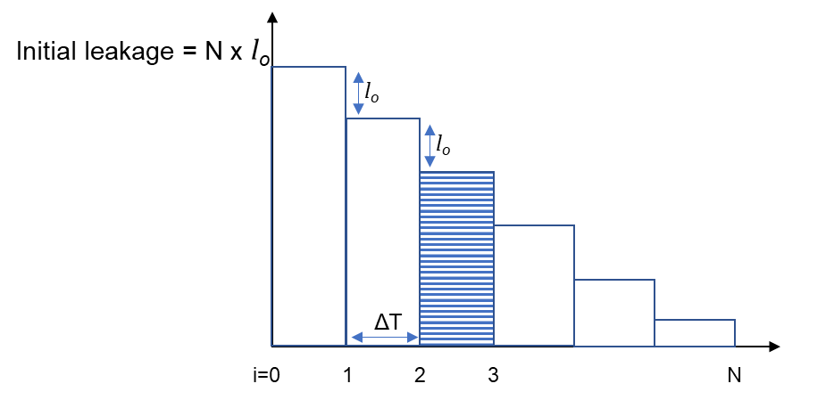

Figure: Decrease in backlog unreported leakage as each part of the distribution system is surveyed
As parts of the system are surveyed serially, the overall backlog of unreported leakage drops by l_{o} in each time step (the backlog unreported leakage per part).
At time step ‘i’, the survey would begin for the i^{th} part of the system. Thus, the only leakage would be from the parts that have not been surveyed yet (N - i), and the one part to be surveyed by the end of the current time step.
Number of parts not surveyed yet = (N – i) + 1
Each part will leak at l_{o} for the time during the current time step ΔT.
The water loss occurring in time step 1 due to backlog leakage only is represented as:
ΔT x l_{o} x (N – i + 1)
Water lost due to natural rise in leakage for the never surveyed parts of the system
Till the beginning of time step ‘i’, (i – 1) parts have been surveyed.
Water loss in parts of the system never surveyed:
Leakage level for each part has been increasing as the rate of rise of leakage, till the part is surveyed. Thus, for a time step, all the parts which have not been surveyed before will be leakage at the same leakage level.

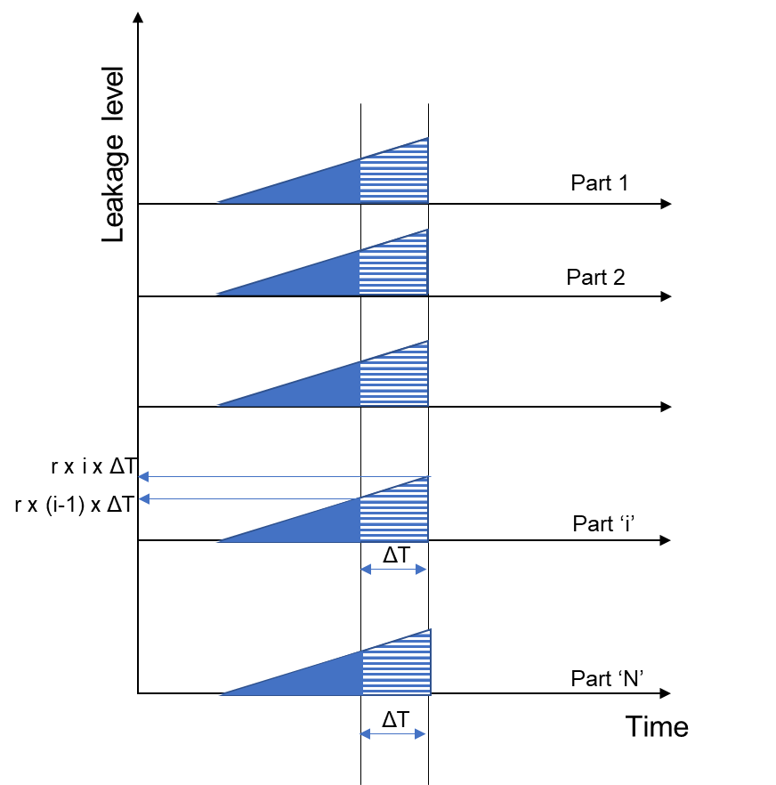

Figure: Rise in leakage in parts of the system never surveyed before.

During the first survey, while the ‘i’^{th} part is being surveyed, (i-1) parts have been surveyed. Hence, out of ‘N’ parts, (N - i +1) parts remain to be surveyed and have been leaking due to the naturally rising leakage.
The total leakage due to this component is:

After the entire system is surveyed once, this component becomes zero.
Water lost only due to natural rise in leakage in parts of the system surveyed previously:
Each part of the system starts leaking after a survey as the leakage rises naturally in the distribution system after being surveyed. The leakage occurring in each time step is the rise in leakage that occurs over that time step for all parts in the system.
The following schematic shows how leakage occurs in different parts of the system that were surveyed at different times.

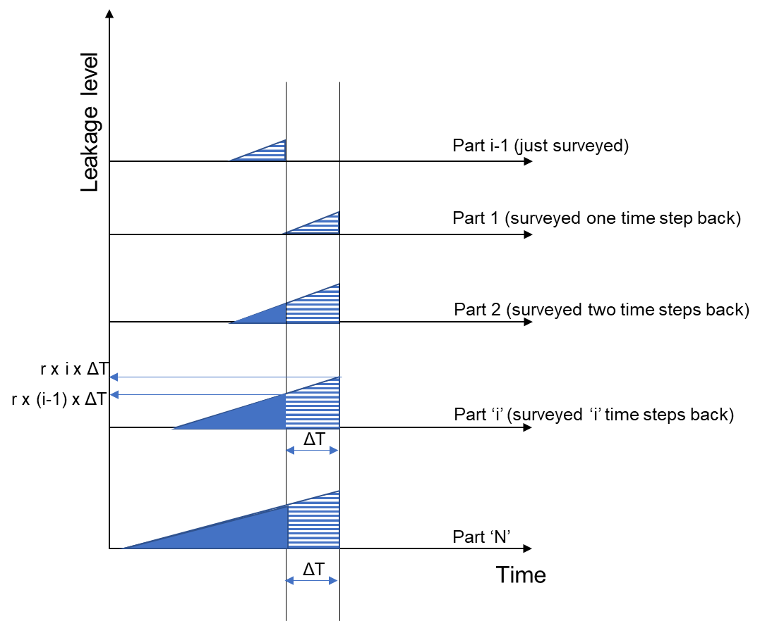

Figure: Rise in leakage in parts of the system that have been surveyed before.
The rise in leakage to the beginning of the time step is represented by: Rate of rise of leakage x time passed prior to current time step
If ‘i’ time steps have passed, time passed after ‘i’ time steps = i x ΔT
The leakage level only due to natural rise in leakage, at the beginning of the ‘i’th step, or at the end of the (i-1)th step is = r x (i-1) x ΔT
The leakage level at the end of the ‘i’th step is = r x i x ΔT.
The leakage volume lost during this time step is represented by the transition from the lower leakage level to the higher leakage level across time step ΔT, which is the area under the curve summed for all the parts of the system.
Each part of the system will contribute to the overall leakage in this component as follows:

Where the leakage volume lost during the ‘j’th step for a single part is:

If the distribution system is being surveyed for the first time, only ‘(i-1)’ parts have been surveyed when the ‘i’^{th} step begins, and will contribute to this element of leakage:

The summation of an integer is represented by:

The summation of a constant is represented by:

Thus,

If the system has undergone a complete survey and this is the next round of surveying, ‘N’ parts have been surveyed before, and all will contribute to this element of leakage. After one survey, and the backlog of leakage is reduced, this element of leakage is the only one that constitutes the overall leakage for the distribution system:

Water loss occurring without intervention:
Without any intervention, the real loss for the system increases from the initial real loss (three-year average of real loss reported by supplier) increases with time at the natural rate of rise of leakage.

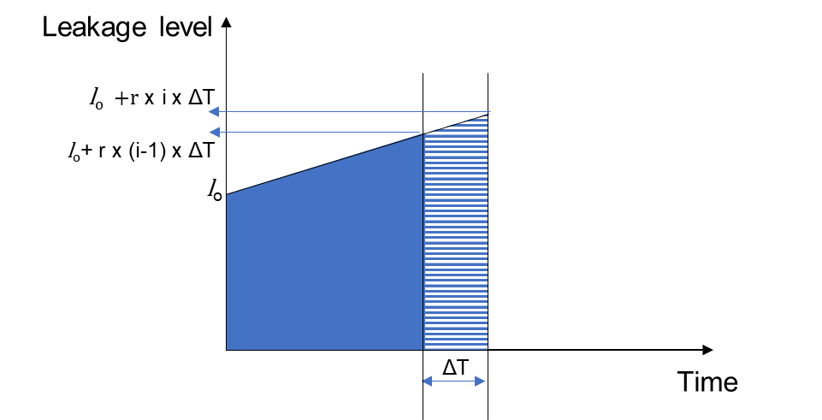

The water loss occurring in a time step without any intervention is represented by the transition from the lower leakage level to the higher leakage level across time step ΔT, which is the area under the curve summed for all the parts of the system.
To determine the leakage occurring in time step ‘i’:
The leakage level rises to l_{o} + r x (i-1) x ΔT by the beginning of the ‘i’^{th} step.
The leakage level then rises to l_{o} + r x (i) x ΔT by the end of the ‘i’^{th} step.
The water loss occurring during the time step is:

For ‘N’ parts, the total leakage without intervention would be:

CollectedData_References
Collected Data |  | (Scroll down for additional references for 'Input tab")

Rise in price of water, based on historical rates for Tier 1 Treated Water rates for water sold by the Metropolitan Water District
consumer price index for 2019 |  | 187.445 | (From the Bureau of Labor Statistics, https://www.bls.gov/cpi/data.htm
Year | Price (Tier 1, treated) | Consumer price indices (commodities) | Real price as 2019$ | Percent increase | Source: Metropolitan Water district, Historical Water rates, obtained from Metropolitan Water District
Metropolitan Water District - Real treated water rates
2008 | 579 | 173.193 | 626.6
2009 | 701 | 168.093 | 781.7 | 24.7%
2010 | 701 | 172.129 | 763.4 | -2.3%
2011 | 744 | 180.192 | 773.9 | 1.4%
2012 | 794 | 183.705 | 810.2 | 4.7%
2013 | 847 | 183.443 | 865.5 | 6.8%
2014 | 890 | 183.920 | 907.1 | 4.8%
2015 | 923 | 180.260 | 959.8 | 5.8%
2016 | 942 | 178.010 | 991.9 | 3.3%
2017 | 979 | 180.509 | 1016.6 | 2.5%
2018 | 1015 | 184.966 | 1028.6 | 1.2%
Average annual price increase (2008-2018) |  | 5.3%

Avoided Cost of Water

Stormwater: $590 per acre-feet
Indirect potable reuse: $1800 per acre-feet
Brackish water desalination: $1100 per acre-feet

Imported water (Based on estimates for 2019 from the Meteropilatan Water District): $ 1015 per acre-feet
Average avoided cost ($): |  | 1126.25

Typical number of miles surveyed per day
Services provided by Municipal Water District of Orange County: 10 miles a week ~ 2 miles a day ~ 40 miles per month
Services provided by M.E. Simpson: 5 miles a day ~ 100 miles per month
Irvine Ranch Water District: 3.5 miles per day ~ 70 miles per month
East Bay Municipal Utility District: 74 miles of manual surveying; 61 miles of automated acoustic surveying; 1236 miles of satellite surveying throughout the year ~ 114.25 miles per month
The following surveying schedule has been planned for member agencies of the Municipal Water District of Orange county
Agency | Total length of mains (Miles) | Target Miles (Annual) | % of system planned to be surveyed annually
Seal Beach | 75 | 75 | 100%
TCWD | 66 | 66.5 | 101%
La Habra | 165 | 83 | 50%
Tustin | 172 | 102 | 59%
EOCWD | 23.7 | 48 | 203%
Huntington Beach | 607.2 | 18 | 3%
Mesa | 328.4 | 32 | 10%
Orange | 462 | 30 | 6%
San Clemente | 212.6 | 30 | 14%
YLWD | 367.1 | 110 | 30%

Systems above 6000 miles of dstribution pipeline:
Los Angeles Department of Water and Power is the only system with distribution system pipeline greater than 6000 miles. As per conversations, LADWP is currently planning its active leak detection program. To address the size of the system, and estimate a reasonable leak detection survey rate, staff compared its total operating cost with that of East Bay Municipal Utility District. LADWP has an operating budget of $1,194,818,812 per year, and EBMUD has an operating budget of $345,821,000 per year, and surveys 114 miles per month. LADWP has about 3.5 the operating budget of EBMUD, hence staff estimated a leak detection survey rate of about 15 additional miles per month, rounded up to 130 miles per month.

Leak detection costs - Summary (Scroll down for individual vendor quotes)
Equipment type | Lifecycle | Efficiency range | Cost | Cost per mile | Average efficiency
Leak Survey | 4 - 7 years | 98 - 99%a | $170 - $595c / Mile | 595 | 98.5
Leak Pinpoint | 9 - 10 years | 50 - 92%b | $347 - $991d /Leak | 9.91 | 71 | Based on an average of 0.01 leaks found per mile (AWWA M36, Table 3-22)
 |  |  | Total average cost | 604.91 | 70% | Product of efficiencies for surveying and pinpointing
a. Highly trained and experienced staff.
b. Expected Efficiency of a new program (variable).
c/d. Costs (low range) are typically utilities that do not include detection equipment cost. Variances in costs are also due to size of
survey, type of pipe material and logistical issues withing the water system.

Vendor - Subsurface
Type | Item No. | Equipment | Part # | Items Incld. | Unit Cost | Upfront Cost | Labor | External Vendor
Acoustic Leak Detection | 1 | Listening Rod + Ground Microphones | LD-12a | 1 | $3,695.00 |  | 50 < miles $278 / mi 50 > 100 mile $350 / mi 100 > miles $300 / mi | $295 / mile for metal pipes $595 / mile for non-metallic pipe
 |  |  | w/ optional 6ft sensor cable |  | $35.00
 | 2 |  | LD-15b | 1 | $3,750.00
 |  |  | 40 in. extension rod |  | $75.00
 |  |  | 60 in. extension rod |  | $95.00
 |  |  | Sensor w/ steel base & adapter |  | $30.00
 | 3 |  | LD-18b | 1 | $5,995.00
 |  |  | Sensor w/ magnet & 9.8 ft cable |  | $750.00
 |  |  | 40 in. extension rod |  | $105.00
 |  |  | 60 in. extension rod |  | $125.00
Correlator | 4 | Leak Noise Correlators | ZCorr3c | 3 | $8,495.00 |  | $347 / Leak
 | 5 |  | ZCorr8d | 8 | $15,995.00
 | 6 |  | LC-5000 | 4 | $32,000.00

 |  | a. LD-12 Series includes apmlifier, meter display unit, ground microphone, headphones, 10mm nutfriver, aluminum sensor base and 39" contact rod.
 |  | b. LD-15/18 Series includes apmlifier w/meter display unit, 9.75 ft long cable, base plate, and headphones.
 |  | c. ZCorr3 includes 3 digital correlating loggers, 1 docking station (supports up to 8 loggers) and basic software.
 |  | d. ZCorr8 includes 8 digital correlating loggers, 1 docking station (supports up to 8 loggers) and PRO software.
 |  | e. LC-5000 includes 4 wireless/GPS correlator (real time and programmable), 5 charging cables and headphones.
 |  | * Pricing does not include applicable taxes or shipping costs.
 |  | http://www.subsurfaceleak.com/waterleakdetec.html

Vendor - Sewerin
Type | Item No. | Equipment | Part # | Items Incld. | Unit Cost | Labor | External Vendor | DI | PVC | AC | Median | Average
Acoustic & Special Leak dectetion | 1 | Stethophon 04 Kita | EA15-10002B |  | $1,415.00 | 50 < miles $278 / mi 50 > 100 mile $350 / mi 100 > miles $300 / mi | $295 / mile for metal pipes $595 / mile for non-metallic pipe | 87.50% | 76.50% | 69.20% | 76.50% | 77.73%
 |  |  | EA15-10002S |  | $1,885.00
 |  |  | EA15-10002C |  | $1,969.00
 | 2 | Stethophon 04 SDR Kita | EA15-10102B |  | $1,766.00
 |  |  | EA15-10102S |  | $2,236.00
 |  |  | EA15-10102C |  | $2,320.00
 | 3 | Aqua Test T-10 Kitb | EA16-10002B |  | $2,352.00
 |  |  | EA16-10002C |  | $2,634.00
 |  |  | EA16-10002P |  | $3,049.00
 | 4 | Aqua Test T-10 SDR Kitb | EA16-10102B |  | $2,885.00
 |  |  | EA16-10102C |  | $3,167.00
 |  |  | EA16-10102P |  | $3,581.00
 | 5 | Aquaphon A50 Kit "Entry Level Pro." | EA50-10002BP |  | $3,225.00
 |  |  | EA50-10002C |  | $3,969.00
 |  |  | EA50-10002P |  | $4,996.00
 | 6 | Aquaphon A50 SDR Kit | EA50-10011B |  | $3,708.00
 |  |  | EA50-10011C |  | $4,478.00
 |  |  | EA50-10011P |  | $5,506.00
 | 7 | Aquaphon A100 Pro Kit "Stnd Pro kit" | EA14-10222B |  | $5,552.00
 |  |  | EA14-10222P |  | $7,082.00
 |  |  | EA14-10222C |  | $8,250.00
 | 8 | Aquaphon A200 Pro Kit "Pro. Kit" | EA20-10022B |  | $5,952.00
 |  |  | EA20-10022PB |  | $7,908.00
 |  |  | EA20-10022P |  | $9,085.00
 |  |  | EA20-10022C |  | $10,132.00
 | 9 | Combiphon Striker Kitc | SA01-10002K |  | $4,207.00
 |  | Combiphon Stopper Kit | SA01-10002S |  | $4,930.00
 |  | Combiphon Complete Kit | SA01-10002C |  | $6,459.00
 | 10 | Variotec VT 460 Tracergas Kit | VT10-10502B |  | $7,659.00
Logger/Correlator | 11 | SeCorr C200 Kit | KR20-10202B | 2 | $10,495.00 | $347 / Leak
 |  | SeCorrPhon AC200 Kit | KR08-22202B | 2 | $14,866.00
 |  |  | KR20-20202P | 2 | $16,249.00
 | 12 | SeCorr 300 Digital Correlator Pro Kit | KR30-S0004P | 2 | $20,214.00
 | 13 | SePem 01 Starter Kit | SF01-10002S | 10 | $9,455.00
 |  |  | SePem 155 Logger | 1 | $685.00

Vendor - FCS
Type | Item No. | Equipment | Part # | Items Incld. | Unit Cost | Upfront Cost | Labor | External Vendor | DI | PVC | AC | Median | Average
Acoustic Leak Detection | 1 | DXMic System | DXMICSYS | 1 | $4,950.00 |  | 50 < miles $278 / mi 50 > 100 mile $350 / mi 100 > miles $300 / mi | $295 / mile for metal pipes $595 / mile for non-metallic pipe | 93.70% | 41.20% | 53.80% | 53.80% | 62.90%
 |  | DXMic Pro System | DXPROSYS | 1 | $5,380.00
 | 2 | Bmic System | BMICSYS | 1 | $4,950.00
 | 3 | TMic - FCS Portable Electronic Listening Stick | TMICFCS | 1 | $995.00
 | 4 | L-Mic System | LMICSYS | 1 | $1,950.00
 |  | L-Mic System Deluxe | LMICSYSDEL | 1 | $3,950.00
Correlator / Logger | 5 | S-30 System | S30SYS | 1 | $4,500.00 |  | $347 / Leak
 |  | TriCorr Touch Pro | TCTOUCH |  | $25,000.00
 |  | Hydrophone Kit | HYDKITMCTUSA | 1 | $9,144.00
 |  | Additional Correlating Pods | RDL 5014L/4 | 1 | $1,700.00
 |  | 3 Pod with 8 Pod Case | - | 3 | $11,885.00
 |  | 4 Pod with 8 Pod Case | - | 4 | $13,202.00
 |  | 6 Pod with 8 Pod Case | - | 6 | $15,428.00
 |  | 8 Pod with 8 Pod Case | - | 8 | $17,950.00
 |  | Permalog+
 |  | 1-25 Permalogs | PR4US | 1 | $700.00
 |  | 26-50 Permalogs | PR4US | 1 | $650.00
 |  | 51-100 Permalogs | PR4US | 1 | $600.00
 |  | 101-200 Permalogs | PR4US | 1 | $550.00
 |  | 201-300 Permalogs | PR4US | 1 | $500.00
 |  | 301-500 Permalogs | PR4US | 1 | $450.00
 |  | 501-750 Permalogs | PR4US | 1 | $400.00
 |  | 751 + Permalogs | PR4US | 1 | $350.00
 |  | Pcorr+
 |  | 1-25 Pcorr+ | PR5US | 1 | $800.00
 |  | 26-50 Pcorr+ | PR5US | 1 | $750.00
 |  | 51-100 Pcorr+ | PR5US | 1 | $700.00
 |  | 101-200 Pcorr+ | PR5US | 1 | $650.00
 |  | 201-300 Pcorr+ | PR5US | 1 | $600.00
 |  | 301-500 Pcorr+ | PR5US | 1 | $550.00
 |  | 501-750 Pcorr+ | PR5US | 1 | $500.00
 |  | 751 + Pcorr+ | PR5US | 1 | $450.00

 |  | * Pricing does not include applicable taxes or shipping costs.
 |  | http://www.subsurfaceleak.com/waterleakdetec.html

Vendor - SEBA
Type | Item No. | Equipment | Part # | Items Incld. | Unit Cost | Upfront Cost | Labor | External Vendor | DI | PVC | AC | Median | Average
Acoustic Leak Detection | 1 | HL-7000 Electro-Acoustic Leak Detector | seba-HL7000-US-PRO | 1 | $5,595.00 |  | 50 < miles $278 / mi 50 > 100 mile $350 / mi 100 > miles $300 / mi | $295 / mile for metal pipes $595 / mile for non-metallic pipe | 93.70% | 41.20% | 53.80% | 53.80% | 62.90%
 | 2 | HL50 Bluetooth Municipal Digital Leak Locator | SEBA-HL50BT-kit | 1 | $2,150.00
 |  | Listining Rod add on | PAM T-3-1 | 1
 | 3 | N3-C10: 1 Commander 3a | SEBA-WP12389 | 1 | $14,500.00 |  | $347 / Leak
 |  | N3-M logger add on | SEBA-WP12391 | 31 | $21,700.00
 | 4 | Correlux C-3 Seba Pro Correlatorb | SEBA-WP12399 | 1 | $22,000.00

 |  | a. Includes 10 Loggers
 |  | b. Includes 3 Correlators
 |  | * Pricing does not include applicable taxes or freight.

Vendor - Gutermann
Type | Labor | External Vendor | DI | PVC | AC | Median | Average
Acoustic Leak Detection | 50 < miles $278 / mi 50 > 100 mile $350 / mi 100 > miles $300 / mi | $295 / mile for metal pipes $595 / mile for non-metallic pipe | 93.70% | 82.30% | 66.60% | 82.30% | 80.87%

Correlator / Logger | $347 / Leak

Repair costs
From Irvine Ranch Water district
Repair costs for leaks found in area surveyed ($) | Average Cost/Foot | Leak Repair Rangea |  | Reported Water Saved | 2" & 3" PVC | 4" PVC | 6" PVC | 6" ACP | 8" C-900 / ACP | 8" DIP | 10" ACP | 12" CML/ACP | 16" CML&C

$234,000.00 | $207.00 | $3500 - $30000 |  | 263 AF | $3000 - 5,000 | $3000 - 6,000 | $4000 - 6,000 | $3000 - 12,000 | $3000 - 9,000 | $6,000 | $4000 - 6,000 | $6000 - 15,000 | $4000 - 31,650 | 2018

 |  |  |  |  | $2000 - 6,000 | $4000 - 9,000 | $4000 - 9,000 | $4000 - 5,000 | $4000 - 6,000 | $12,000 | $7,000 | $15,000 | $6000 - 12,000 | 2017
 |  |  |  |  |  |  |  |  |  |  |  |  |  |  | Average
 |  |  |  |  | Averages: | $4,000 | $5,500 | $5,750 | $6,000 | $5,500 | $9,000 | $5,667 | $12,000 | $13,413 | $7,425

From Pacific Gas and Electric's Report ET13PGE1451: Water System Leak Identification and Control Field Evaluation (2015)
Repairs costs for the leaks detected:
Tehama County Water system | Kings County Water System | Alpine County Water System | Madera County System
$2,745.00 | $2,500.00 | $2,500 | $1,500 |  | Average cost: | $4,466
 |  | $6,000.00 | $1,500
 |  | $7,900.00
 |  | $4,100.00
 |  | $8,600.00
 |  | $7,500.00
 |  | $6,800.00
 |  | $1,950.00

Based on these two data sets, the average repair cost is assumed to be: |  |  | $5,946

Additional references for model:
1. Water loss audit reports, 2020, Department of Water Resources: https://wuedata.water.ca.gov/, Accessed: March 2020
2. American Water Works Association, 2016, Water Audits and Loss Control Programs (M36 Manual), Fourth Edition
3. Water Research Foundation, 2015, Water Audits and Real Loss Component Analysis, Report 4372a
4. A.O. Lambert, 1999, International Report: Water losses management and techniques, Water Science and Technology: Water Supply Vol 2 No 4 pp 1–20
5. European Union, 2015, EU Reference document Good Practices on Leakage Management: Main Report
6. American Water Works Association Water Loss Control Committee, 2003, Committee Report: Applying worldwide BMPs in water loss control, Volume 95, Issue 8, Pages 65-79
7. California Rural Water Association, 2015, Water System Leak Identification and Control Field Evaluation, Emerging Technologies Report:ET13PGE1451, Pacific Gas and Electric Company
8. Pacific Institute, 2016, The Cost of Alternative Water Supply and Efficiency Options in California
9. Natural Resources Defense Council, 2016, Issue Brief: Proceed with Caution II: California's Droughts and Desalination in Context

