Example Calculation
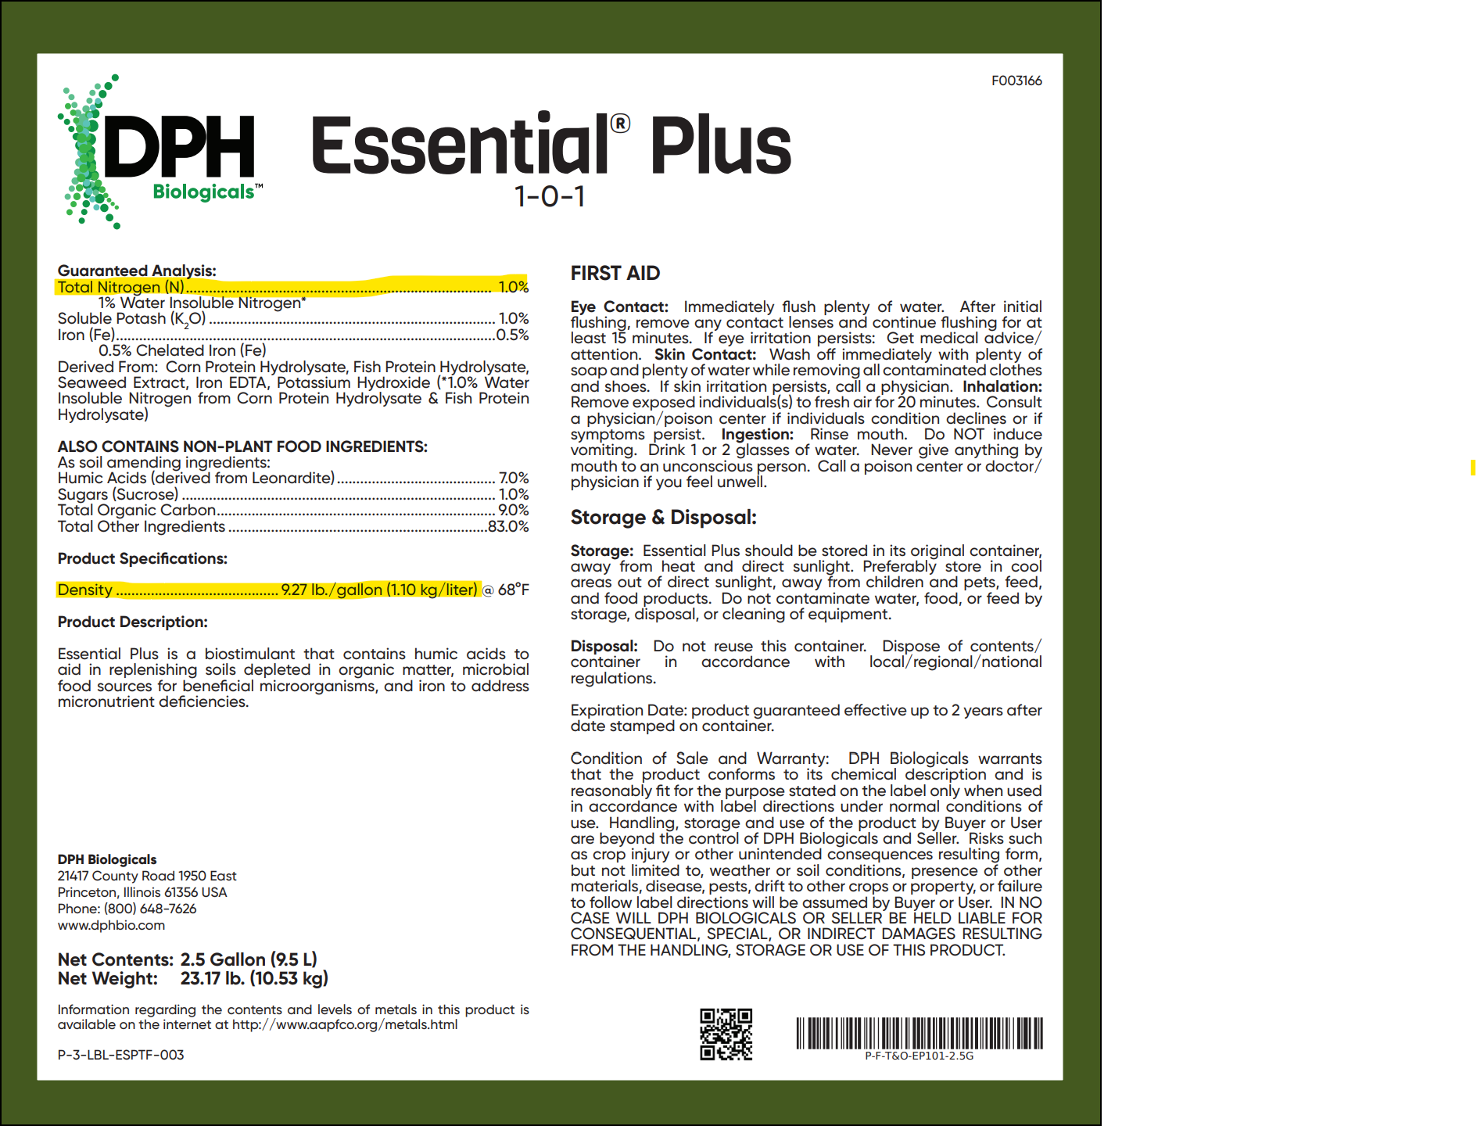
Example: a grower uses 20 gallons of DPH Essential Plus 1-0-1 liquid fertilizer to their 10-acre ranch during the 2023 reporting year.
The liquid fertilizer has 1% N and a density of 9.27 lbs/gallon (see label).

1. Provide the fertilizer density (weight/volume)

Report the density in the cell and select the correct units from the drop-down menu
9.27 | Pounds/Gallon

2. Provide the fertilizer N %

Enter the % of nitrogen provided in the fertilizer label
1 | %N

3. Provide the amount of fertilizer applied to the entire ranch during the reporting year

Enter the amount of fertilizer applied and select the correct units from the drop-down menu
20 | Gallons

Pounds of N Applied to Entire Ranch - automatically calculated

1.85 | lbs N Applied

4. Provide the # of Crop Acres

Enter the number of crop acres
10 | Crop Acres

Pounds of N Applied to each Crop Acre - automatically calculated

0.185 | lbs N Applied

